Scenario Comparison
enVerid COVID-19 Energy Estimator - Scenario Comparison
This spreadsheet summarizes the ACH and cost for different ventilation and filtration scenarios
Do not change the results in this tab. Any change should be made to the Calculation Tab

 | City | Raleigh, NC
 | Space Type | Office space
 | Floor Area | 50,000
 | Occupancy | 250

 | Notes:
 | Rows and columns in green show the scenario chosen on the Calculation tab
 | The other scenarios are calculated to show various scenarios based on the other inputs from the Calculation tab
 | All other inputs not listed here are common across all scenarios

MERV 13: Cost vs. Ventilation Strategy
MERV 11: Cost vs. Ventilation Strategy
 | Effective ACH | MERV 7 | MERV 11 | MERV 13 | HEPA
 | 100% OA | 6.00 | 6.00 | 6.00 | 6.00
 | VRP+30% | 3.14 | 4.57 | 5.33 | 5.99
 | VRP | 3.02 | 4.51 | 5.31 | 5.99
 | IAQP | 2.81 | 4.40 | 5.26 | 5.99
 | VRP | 3.02 | 4.51 | 5.31 | 5.99

 | Total Annual Cost | MERV 7 | MERV 11 | MERV 13 | HEPA
 | 100% OA | $48,811 | $48,811 | $48,811 | $48,811
 | VRP+30% | $11,365 | $11,656 | $12,717 | $24,152
 | VRP | $9,856 | $10,159 | $11,257 | $23,102
 | IAQP | $7,061 | $7,385 | $8,558 | $21,210
 | VRP | $9,856 | $10,159 | $11,257 | $23,102

MERV 7: Cost vs. Ventilation Strategy
MERV Rating from Calculation Tab: Cost vs. Ventilation Strategy
 | Outside Air Ventilation - Energy Cost | MERV 7 | MERV 11 | MERV 13 | HEPA
 | 100% OA | $48,811 | $48,811 | $48,811 | $48,811
 | VRP+30% | $7,192 | $7,192 | $7,192 | $7,192
 | VRP | $5,532 | $5,532 | $5,532 | $5,532
 | IAQP | $2,441 | $2,441 | $2,441 | $2,441
 | VRP | $5,532 | $5,532 | $5,532 | $5,532

 | Indoor Air Filtration - Energy Cost + Maintenance Cost | MERV 7 | MERV 11 | MERV 13 | HEPA
 | 100% OA | $0 | $0 | $0 | $0
 | VRP+30% | $4,173 | $4,465 | $5,526 | $16,960
 | VRP | $4,324 | $4,627 | $5,726 | $17,570
 | IAQP | $4,620 | $4,945 | $6,117 | $18,770
 | VRP | $4,324 | $4,627 | $5,726 | $17,570

 | Air Cleaner - Energy Cost + Maintenance Cost | $0

Table 2 - Filtration Info
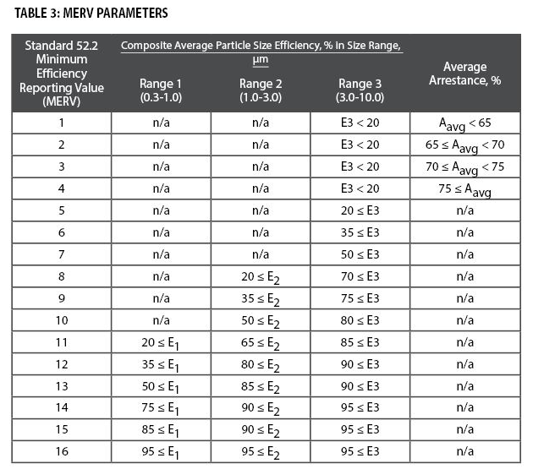
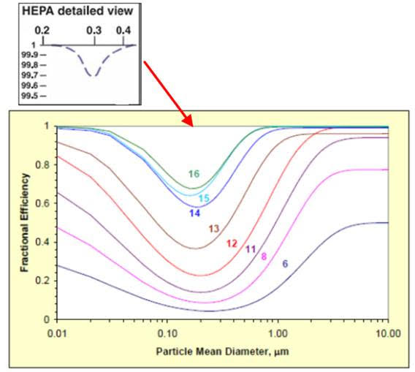
Table 2: Filtration Information
 | Filter Costs, Pressure Drop, Lifespan and efficiency
 | filter | size | cost | initial pressure drop (in.w.c.) | final pressure drop (in.w.c.) | average pressure drop (in.w.c.) | filter lifespan (months) | Filter Efficiency (%)
 | MERV 4 | 24x24x2 | $2 | 0.088 | 0.502 | 0.293 | 3 | 11.0%
 | MERV 7 | 24x24x2 | $4 | 0.289 | 0.599 | 0.446 | 3 | 44.0%
 | MERV 11 | 24x24x2 | $7 | 0.326 | 0.751 | 0.567 | 4 | 72.0%
 | MERV 13 | 24x24x2 | $11 | 0.362 | 0.751 | 0.579 | 4 | 87.0%
 | MERV 14 | 24x24x12 | $50 | 0.510 | 1.001 | 0.756 | 12 | 89.0%
 | MERV 15 | 24x24x12 | $90 | 0.281 | 1.001 | 0.639 | 12 | 90.0%
 | MERV 16 | 24x24x12 | $125 | 0.261 | 1.001 | 0.631 | 12 | 95.0%
 | HEPA | 24x24x12 | $150 | 1.001 | 2.001 | 1.503 | 12 | 99.9%
 | Reference: HVAC filtration and the Wells-Riley approach to assessing risks of infectious airborne diseases Table 10
 | * Pressure drop for MERV 11 and MERV 13 reference: Marwa Zaatari, Atila Novoselac, Jeffrey Siegel. 2014. The relationship between filter pressure drop, indoor air quality, and energy consumption in rooftop HVAC units. Building and Environment Volume 73, March 2014, Pages 151-161

 | https://www.nafahq.org/understanding-merv-nafa-users-guide-to-ansi-ashrae-52-2/

